Ohms Law
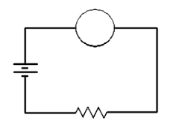

I
V | V | given | V | V | given
I | A | given | I | A | given
R | W | given | P | W | given
E

R
V | V | V =I*R | V | V | V =I*R
I | A | I =V/R | I | A | I =V/R
R | W | R = V/I | P | W | P =I*V

Series
VT | V | given | * Also known as VT. Ea and ET are interchangable.
R1 | W | given
R2 | W | given
R3 | W | given
R4 | W | given
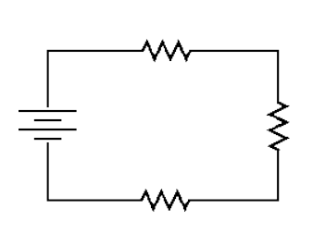
R1
R5 | W | given
RT | W | RT =R1+R2+R3+R4+R5
IT | A | IT =ET/Z
ER1 | V | ER1 =IT*R1
VT
ER2 | V | ER2 =IT*R2
ER3 | V | ER3 =IT*R3
R2
ER4 | V | ER4 =IT*R4
ER5 | V | ER5 =IT*R5
ET | V | ET = ER1+ER2+ER3+ER4+ER5

R3

Parallel
VT | V | given | * Also known as VT. Ea and ET are interchangable.
R1 | W | given
R2 | W | given
R3 | W | given
R4 | W | given
R5 | W | given
RT | W | RT = 1/(1/R1+1/R2+1/R3+1/R4+1/R5)
IT | A | IT =ET/Z
IR1 | A | IR1 =ET/R1
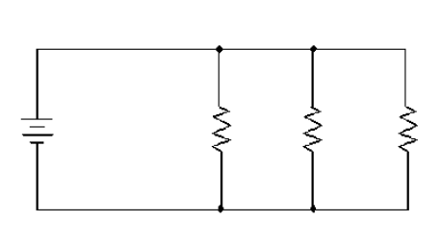
IR2 | A | IR2 =ET/R2
IR3 | A | IR3 =ET/R3
IR4 | A | IR4 =ET/R4
IR5 | A | IR5 =ET/R5

VT
R1
R2
R3

